2stocks_portfolio
China Mobile (0941.HK) AND China Unicom (0762.HK) Portfolio
Monthly statistics |  | Mobile |  | Unicom
Average |  | 0.0019 | <-- ='2stocks'!C3 | -0.0009 | <-- ='2stocks'!F3
Standard deviation |  | 0.0498 | <-- ='2stocks'!C4 | 0.0846 | <-- ='2stocks'!F4
Covariance |  | 0.0027 | <-- ='2stocks'!C6
Correlation |  | 0.6395 | <-- ='2stocks'!C9

Portfolio calculations
Proportion of Mobile |  | 0.5
Proportion of Unicom |  | 0.5 | <-- =1-C9

Portfolio mean return |  | 0.0005 | <-- =C9*C3+C10*F3
Portfolio standard deviation |  | 0.0613 | <-- =SQRT(C9^2*C4^2+C10^2*F4^2+2*C9*C10*C5)

Envelope Frontier
Varying the proportion of Mobile
Proportion of Mobile | SD | Mean
-1 | 0.1425 | -0.0038
-0.9 | 0.1364 | -0.0035
-0.8 | 0.1304 | -0.0032
-0.7 | 0.1244 | -0.0030
-0.6 | 0.1184 | -0.0027
-0.5 | 0.1126 | -0.0024
-0.4 | 0.1067 | -0.0021
-0.3 | 0.1010 | -0.0018
-0.2 | 0.0954 | -0.0015
-0.1 | 0.0899 | -0.0012
0 | 0.0846 | -0.0009
0.1 | 0.0794 | -0.0007
0.2 | 0.0744 | -0.0004
0.3 | 0.0697 | -0.0001
0.4 | 0.0653 | 0.0002
0.5 | 0.0613 | 0.0005
0.6 | 0.0577 | 0.0008
0.7 | 0.0547 | 0.0011
0.8 | 0.0523 | 0.0014
0.9 | 0.0506 | 0.0016
1 | 0.0498 | 0.0019
1.1 | 0.0498 | 0.0022
1.2 | 0.0506 | 0.0025
1.3 | 0.0523 | 0.0028
1.4 | 0.0547 | 0.0031
1.5 | 0.0577 | 0.0034
1.6 | 0.0612 | 0.0037
1.7 | 0.0653 | 0.0039
1.8 | 0.0697 | 0.0042
1.9 | 0.0744 | 0.0045
2 | 0.0793 | 0.0048

Frontier-Analytic
Black's Zero-Beta CAPM: Analytical Solution to Envelope Portfolios

Step 1: Input list of three risky securites and one risk-free asset
Asset Data |  | Exp. Ret | Std Dev
 | Fund 1 | 1.0% | 4.3% |  | <= Money market fund
 | Fund 2 | 2.1% | 10.1% |  | <= Corporate bond fund
 | Fund 3 | 9.0% | 20.8% |  | <= Equity fund
 | Risk-free asset | 0.8%

Variance-Covariance Matrix |  | Fund 1 | Fund 2 | Fund 3
 | Fund 1 | 0.00185 | 0.00274 | -0.00080
 | Fund 2 | 0.00274 | 0.01020 | 0.00483
 | Fund 3 | -0.00080 | 0.00483 | 0.04326

The weight vector of portfolio A is
$$\left(\begin{matrix}z_{1} \\ ⋮ \\ z_{n}\end{matrix}\right)=Σ^{−1}\left(\begin{matrix}E\left(r_{1}\right)−c_{1} \\ ⋮ \\ E\left(r_{n}\right)−c_{1}\end{matrix}\right)$$
Make sum of weights equal to 1:
$$\left(\begin{matrix}w_{1}^{A} \\ ⋮ \\ w_{n}^{A}\end{matrix}\right)=\frac{1}{\sum_{j=1}^{n}{z_{j}}}\left(\begin{matrix}z_{1} \\ ⋮ \\ z_{n}\end{matrix}\right)$$
Step 2: Choose two constants
constant c1 for portfolio A: |  | 5%
constant rf for portfolio B: |  | 0.8% | <-- =C8 | I choose risk-free rate as the second constant.
 |  |  |  | Portfolio B will be the optimal risky portfolio.
Step 3:
Portfolio A with constant c1
Asset Data |  | Mean minus constant E(r)-c
 | Fund 1 | -4.0% | <-- =C5-$C$16
 | Fund 2 | -2.9% | <-- =C6-$C$16
 | Fund 3 | 4.0% | <-- =C7-$C$16

Vector z = Σ-1(E(r)-c) |  |  |  |  | Normalized weights xi = zi/sum(zj)
-29.2497 | <-- =MMULT(MINVERSE($C$11:$E$13),C22:C24) |  |  |  | 1.2014 | <-- =A27/SUM($A$27:$A$29)
5.0916 |  |  |  |  | -0.2091 | <-- =A28/SUM($A$27:$A$29)
-0.1883 |  |  |  |  | 0.0077 | <-- =A29/SUM($A$27:$A$29)
 |  |  | Exp. Ret |  | 0.0083 | <-- =MMULT(TRANSPOSE(F27:F29),$C$5:$C$7)
 |  |  | Variance |  | 0.0017 | <-- =MMULT(TRANSPOSE(F27:F29),MMULT($C$11:$E$13,F27:F29))

Portfolio B (Optimal risky portfolio P) with constant rf
Asset Data |  | Mean minus constant E(r)-c
 | Fund 1 | 0.2% | <-- =C5-$C$17
 | Fund 2 | 1.3% | <-- =C6-$C$17
 | Fund 3 | 8.2% | <-- =C7-$C$17

Vector z = Σ-1(E(r)-c) |  |  |  |  | Normalized weights xi = zi/sum(zj)
2.3842 | <-- =MMULT(MINVERSE($C$11:$E$13),C35:C37) |  |  |  | 0.5876 | <-- =A40/SUM($A$40:$A$42)
-0.2997 |  |  |  |  | -0.0739 | <-- =A41/SUM($A$40:$A$42)
1.9732 |  |  |  |  | 0.4863 | <-- =A42/SUM($A$40:$A$42)
 |  |  | Exp. Ret |  | 0.0481 | <-- =MMULT(TRANSPOSE(F40:F42),$C$5:$C$7)
 |  |  | Variance |  | 0.0099 | <-- =MMULT(TRANSPOSE(F40:F42),MMULT($C$11:$E$13,F40:F42))
 |  |  | Cov(r_A, r_B) |  | 0.0001 | <-- =MMULT(TRANSPOSE(F27:F29),MMULT($C$11:$E$13,F40:F42))

Step 4: GMVP
 | Weights
Fund 1 | 1.1137 | <-- =MMULT(MINVERSE(C11:E13),UnitColVector(3))/SUM(MMULT(MINVERSE(C11:E13),UnitColVector(3)))
The weight vector of GMVP is
$$w_{GMVP}=\frac{Σ^{−1}1}{1^{T}Σ^{−1}1}=\frac{Σ^{−1}1}{sum(numerator)}$$
Fund 2 | -0.1898
Fund 3 | 0.0761
Exp. Ret | 0.0140 | <-- =MMULT(TRANSPOSE(B49:B51),C5:C7)
Variance | 0.0015 | <-- =MMULT(MMULT(TRANSPOSE(B49:B51),C11:E13),B49:B51)

VBA function UnitColVector:
1 | <-- =UnitColVector(3)
1
1

Portfolio-Solver
Construct Optimal Risky Portfolio and GMVP with Excel Solver |  |  |  |  |  | Using Solver to find optimal risky portfolio
 |  |  |  |  |  | The weights of the portfolio w1, w2 and w3 are saved in cells $C$19, $C$20, and $C$21.
Step 1: Input list of three risky securites and one risk-free asset |  |  |  |  |  | 1. The constraint in weights can be achieved by putting $C$21 = 1 - $C$19 - $C$20.
Asset Data |  | Exp. Ret | Std Dev |  |  | So the changing cells are $C$19 and $C$20 only.
 | Fund 1 | 1.0% | 4.3% |  | <= Money market fund | 2. Invoke Solver by choosing Data => Solver.
 | Fund 2 | 2.1% | 10.1% |  | <= Corporate bond fund | If it is not in your Excel, first go to Options => Add-ins (or Tools => Add-ins for Mac), and select Solver.
 | Fund 3 | 9.0% | 20.8% |  | <= Equity fund | 3. Specify in the Solver Parameter Dialog box:
 | Risk-free asset | 0.8% |  |  |  | Set Objective: $C$25 (Sharpe ratio)
 |  |  |  |  |  | To: Max
Variance-Covariance Matrix |  | Fund 1 | Fund 2 | Fund 3 |  | By Changing Variable Cells: $C$19:$C$20
 | Fund 1 | 0.00185 | 0.00274 | -0.00080 |  | 4. No additional constraints
 | Fund 2 | 0.00274 | 0.01020 | 0.00483 |  | 5. Click Options and by default select GRG Nonlinear as solving method, and DON'T check Make Unconstrained Variables Non-Negative.
 | Fund 3 | -0.00080 | 0.00483 | 0.04326 |  | 6. Solve and get the results in the spreadsheet. Cell $C$19 and $C$20 updates to the solution.

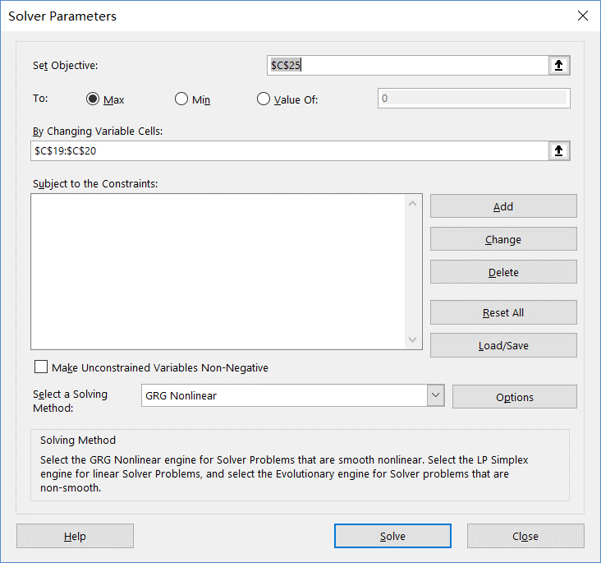
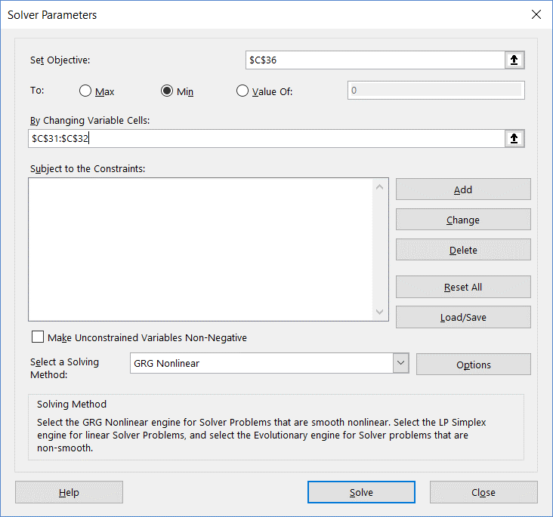
 |  |  |  |  |  | Optimal risky portfolio: | GMVP:
Optimal risky portfolio weights
Portfolio P |  | w_P
 | Fund 1 | 0.5876
 | Fund 2 | -0.0739
 | Fund 3 | 0.4863 | <-- =1-C19-C20

 | Exp. Ret | 0.0481 | <-- =MMULT(TRANSPOSE(C19:C21),$C$5:$C$7)
 | Variance | 0.0099 | <-- =MMULT(TRANSPOSE(C19:C21),MMULT($C$11:$E$13,C19:C21))
 | Sharpe ratio | 0.4033 | <-- =(C23-$C$8)/SQRT(C24)

GMVP weights
 |  | w_GMVP
 | Fund 1 | 1.1137
 | Fund 2 | -0.1898
 | Fund 3 | 0.0761 | <-- =1-C31-C32

 | Exp. Ret | 0.0140 | <-- =MMULT(TRANSPOSE(C31:C33),$C$5:$C$7)
 | Variance | 0.0015 | <-- =MMULT(TRANSPOSE(C31:C33),MMULT($C$11:$E$13,C31:C33))
 | Sharpe ratio | 0.1560 | <-- =(C35-$C$8)/SQRT(C36)

7stocks
$Cov\left(r_{i},r_{j}\right)=ρσ_{i}σ_{j}, if i≠j;Var\left(r_{i}\right)$ is sample variance.
$ρ$ is average correlation of sample correlations.
10 YEARS OF LOG RETURNS FOR 7 STOCKS |  |  |  |  |  |  |  | Inputs (at monthly frequency) |  |  |  |  |  |  |  |  | Variance-Covariance Matrix (Constant Correlation)
Date | AAPL | BAC | CAT | GE | KO | MRK | PG | Risk-free | 0.00359 | <-- =TB4WK!B20/12/100
201501 | 0.0596 | -0.1633 | -0.1350 | -0.0468 | -0.0252 | 0.0672 | -0.0776 |  | (in December 2024)
201502 | 0.0921 | 0.0426 | 0.0441 | 0.0843 | 0.0504 | -0.0293 | 0.0170 | We construct portfolio at the beginning of Jan. 2025. So we choose risk-free rate in Dec. 2024 (one-month lagged).
201503 | -0.0279 | -0.0269 | -0.0352 | -0.0373 | -0.0656 | -0.0183 | -0.0382
201504 | 0.0058 | 0.0376 | 0.0821 | 0.0875 | 0.0085 | 0.0436 | -0.0301 |  | AAPL | BAC | CAT | GE | KO | MRK | PG |  |  | AAPL | BAC | CAT | GE | KO | MRK | PG
201505 | 0.0402 | 0.0352 | -0.0099 | 0.0070 | 0.0098 | 0.0221 | -0.0062 | Mean return | 0.0193 | 0.0092 | 0.0137 | 0.0040 | 0.0059 | 0.0076 | 0.0074 | <-- =AVERAGE(H3:H122) | Mean return | 0.0193 | 0.0092 | 0.0137 | 0.0040 | 0.0059 | 0.0076 | 0.0074
201506 | -0.0338 | 0.0310 | -0.0059 | -0.0260 | -0.0432 | -0.0672 | -0.0019
201507 | -0.0335 | 0.0523 | -0.0758 | -0.0094 | 0.0543 | 0.0426 | -0.0199 | Variance-Covariance Matrix (VBA Fn. VarCov) |  |  |  |  |  |  |  |  | Variance-Covariance Matrix (VBA Fn. VarCovConst)
201508 | -0.0730 | -0.0901 | -0.0191 | -0.0503 | -0.0438 | -0.0907 | -0.0737 |  | AAPL | BAC | CAT | GE | KO | MRK | PG |  |  | AAPL | BAC | CAT | GE | KO | MRK | PG
201509 | -0.0175 | -0.0476 | -0.1566 | 0.0160 | 0.0201 | -0.0865 | 0.0178 | AAPL | 0.0061 | 0.0024 | 0.0018 | 0.0024 | 0.0011 | 0.0005 | 0.0010 | <-- =varcov(B3:H122) | AAPL | 0.0061 | 0.0014 | 0.0013 | 0.0016 | 0.0007 | 0.0009 | 0.0007 | <-- =varcovconst(B3:H122,Z19)
201510 | 0.0801 | 0.0774 | 0.1104 | 0.1458 | 0.0627 | 0.1100 | 0.0599 | BAC | 0.0024 | 0.0076 | 0.0043 | 0.0044 | 0.0014 | 0.0011 | 0.0008 |  | BAC | 0.0014 | 0.0076 | 0.0015 | 0.0018 | 0.0008 | 0.0010 | 0.0008
201511 | -0.0101 | 0.0380 | 0.0064 | 0.0347 | 0.0064 | -0.0307 | -0.0114 | CAT | 0.0018 | 0.0043 | 0.0071 | 0.0036 | 0.0010 | 0.0013 | 0.0008 |  | CAT | 0.0013 | 0.0015 | 0.0071 | 0.0017 | 0.0008 | 0.0010 | 0.0008
201512 | -0.1125 | -0.0350 | -0.0667 | 0.0396 | 0.0156 | -0.0036 | 0.0593 | GE | 0.0024 | 0.0044 | 0.0036 | 0.0101 | 0.0013 | 0.0006 | 0.0006 |  | GE | 0.0016 | 0.0018 | 0.0017 | 0.0101 | 0.0010 | 0.0011 | 0.0009
201601 | -0.0782 | -0.1713 | -0.0879 | -0.0606 | -0.0009 | -0.0330 | 0.0283 | KO | 0.0011 | 0.0014 | 0.0010 | 0.0013 | 0.0023 | 0.0011 | 0.0013 |  | KO | 0.0007 | 0.0008 | 0.0008 | 0.0010 | 0.0023 | 0.0005 | 0.0004
201602 | -0.0067 | -0.1217 | 0.0965 | 0.0014 | 0.0049 | -0.0091 | -0.0086 | MRK | 0.0005 | 0.0011 | 0.0013 | 0.0006 | 0.0011 | 0.0032 | 0.0010 |  | MRK | 0.0009 | 0.0010 | 0.0010 | 0.0011 | 0.0005 | 0.0032 | 0.0005
201603 | 0.1252 | 0.0768 | 0.1227 | 0.0950 | 0.0729 | 0.0524 | 0.0248 | PG | 0.0010 | 0.0008 | 0.0008 | 0.0006 | 0.0013 | 0.0010 | 0.0021 |  | PG | 0.0007 | 0.0008 | 0.0008 | 0.0009 | 0.0004 | 0.0005 | 0.0021
201604 | -0.1507 | 0.0779 | 0.0153 | -0.0333 | -0.0271 | 0.0445 | -0.0270
201605 | 0.0632 | 0.0157 | -0.0597 | -0.0171 | -0.0045 | 0.0256 | 0.0196 | # estimators in Var-Cov matrix: |  | 28 | (variances and covariances) |  |  |  |  |  | Assume constant correlation (rho) |  | 0.2
201606 | -0.0375 | -0.1084 | 0.0445 | 0.0405 | 0.0162 | 0.0237 | 0.0438 |  |  |  |  |  |  |  |  |  | # estimators in Var-Cov matrix: |  | 8 | (variances and rho)
201607 | 0.0862 | 0.0913 | 0.0877 | -0.0033 | -0.0306 | 0.0262 | 0.0108 | Computing Global Minimum Variance Portfolio (GMVP)
201608 | 0.0180 | 0.1078 | -0.0002 | 0.0032 | -0.0046 | 0.0680 | 0.0277 | VBA Fn. UnitRowVector | 1 | 1 | 1 | 1 | 1 | 1 | 1 |  | Computing Global Minimum Variance Portfolio (GMVP)
201609 | 0.0689 | -0.0262 | 0.0799 | -0.0532 | -0.0259 | -0.0061 | 0.0276
201610 | 0.0043 | 0.0529 | -0.0617 | -0.0099 | 0.0100 | -0.0536 | -0.0334 |  | AAPL | BAC | CAT | GE | KO | MRK | PG |  |  | AAPL | BAC | CAT | GE | KO | MRK | PG
201611 | -0.0270 | 0.2469 | 0.1442 | 0.0555 | -0.0496 | 0.0412 | -0.0436 | GMVP | 0.0873 | 0.0025 | 0.0425 | 0.0387 | 0.2506 | 0.2166 | 0.3616 |  | GMVP | 0.0536 | 0.0279 | 0.0348 | 0.0034 | 0.3285 | 0.1948 | 0.3571
201612 | 0.0520 | 0.0491 | -0.0300 | 0.0269 | 0.0356 | -0.0387 | 0.0195 |  | <-- =MMULT(UnitRowVector(7),MINVERSE(K11:Q17))/SUM(MMULT(UnitRowVector(7),MINVERSE(K11:Q17))) |  |  |  |  |  |  |  |  | <-- =MMULT(UnitRowVector(7),MINVERSE(Y11:AE17))/SUM(MMULT(UnitRowVector(7),MINVERSE(Y11:AE17)))
201701 | 0.0466 | 0.0241 | 0.0310 | -0.0545 | 0.0026 | 0.0593 | 0.0410
201702 | 0.1212 | 0.0863 | 0.0187 | 0.0037 | 0.0093 | 0.0607 | 0.0467 | Computing Optimal Risky Portfolio (P) |  |  |  |  |  |  |  |  | Computing Optimal Risky Portfolio (P)
201703 | 0.0519 | -0.0452 | -0.0412 | 0.0076 | 0.0114 | -0.0360 | -0.0135 |  | AAPL | BAC | CAT | GE | KO | MRK | PG |  |  | AAPL | BAC | CAT | GE | KO | MRK | PG
201704 | -0.0001 | -0.0076 | 0.0975 | -0.0276 | 0.0254 | -0.0120 | -0.0284 | P | 0.8244 | -0.1064 | 0.4119 | -0.2766 | -0.2217 | 0.2032 | 0.1652 |  | P | 0.6027 | 0.0388 | 0.2499 | -0.1585 | -0.0365 | 0.0982 | 0.2055
201705 | 0.0615 | -0.0407 | 0.0388 | -0.0571 | 0.0524 | 0.0436 | 0.0163 |  | <-- =MMULT($K$7:$Q$7-$K$2,MINVERSE(K11:Q17))/SUM(MMULT($K$7:$Q$7-$K$2,MINVERSE(K11:Q17))) |  |  |  |  |  |  |  |  | <-- =MMULT($K$7:$Q$7-$K$2,MINVERSE(Y11:AE17))/SUM(MMULT($K$7:$Q$7-$K$2,MINVERSE(Y11:AE17)))
201706 | -0.0548 | 0.0826 | 0.0191 | -0.0136 | -0.0137 | -0.0158 | -0.0107 | E(r) - rf | 0.0158 | 0.0056 | 0.0101 | 0.0004 | 0.0023 | 0.0040 | 0.0038 | <-- =K7:Q7-$K$2
GMVP as a row vector: $w_{row}=\left(w_{1},⋯,w_{n}\right)=\frac{1_{row}Σ^{−1}}{sum(numerator)}$
GMVP as a column vector: $w_{col}=\left(\begin{matrix}w_{1} \\ ⋮ \\ w_{n}\end{matrix}\right)=\frac{Σ^{−1}1_{col}}{sum(numerator)}$
P as a row vector: $w_{row}=(w_{1},⋯,w_{n})=\frac{\left[E\left(r\right)−r_{f}×1_{row}\right]Σ^{−1}}{sum(numerator)}$, $E\left(r\right)$ is in a row
P as a column vector: $w_{col}=\left(\begin{matrix}w_{1} \\ ⋮ \\ w_{n}\end{matrix}\right)=\frac{Σ^{−1}\left[E\left(r\right)−r_{f}×1_{col}\right]}{sum(numerator)}$, $E\left(r\right)$ is in a column
201707 | 0.0322 | -0.0058 | 0.0586 | -0.0448 | 0.0300 | 0.0040 | 0.0412
201708 | 0.0977 | -0.0096 | 0.0378 | -0.0423 | -0.0063 | -0.0003 | 0.0237 | Summary: |  |  |  |  |  |  |  |  | Summary:
201709 | -0.0582 | 0.0640 | 0.0596 | -0.0152 | -0.0119 | 0.0027 | -0.0141 |  | GMVP | P |  |  |  |  |  |  |  | GMVP | P
201710 | 0.0924 | 0.0778 | 0.0852 | -0.1719 | 0.0292 | -0.1432 | -0.0523 | Mean | 0.0083 | 0.0210 |  |  |  |  |  |  | Mean | 0.0078 | 0.0169
201711 | 0.0165 | 0.0281 | 0.0446 | -0.0973 | -0.0046 | 0.0033 | 0.0489 | Variance | 0.0015 | 0.0054 |  |  |  |  |  |  | Variance | 0.0011 | 0.0034
201712 | -0.0118 | 0.0511 | 0.1101 | -0.0470 | 0.0106 | 0.0179 | 0.0208 | Sharpe Ratio | 0.1221 | 0.2356 |  |  |  |  |  |  | Sharpe Ratio | 0.1287 | 0.2273
201801 | -0.0107 | 0.0807 | 0.0325 | -0.0693 | 0.0366 | 0.0601 | -0.0622 | Covariance | 0.0015 |  |  |  |  |  |  |  | Covariance | 0.0011
201802 | 0.0619 | 0.0031 | -0.0467 | -0.1363 | -0.0963 | -0.0887 | -0.0873
201803 | -0.0557 | -0.0680 | -0.0480 | -0.0374 | 0.0048 | 0.0046 | 0.0096 | Efficient Frontier: Constructed with GMVP and P |  |  |  |  |  |  |  |  | Efficient Frontier: Constructed with GMVP and P
201804 | -0.0151 | 0.0014 | -0.0207 | 0.0428 | 0.0037 | 0.0864 | -0.0916 | Weight in GMVP | Weight in P | SD of ret | Mean |  |  |  |  |  | Weight in GMVP | Weight in P | SD of ret | Mean
Efficient Frontier
Efficient Frontier
201805 | 0.1229 | -0.0299 | 0.0560 | 0.0007 | -0.0049 | 0.0111 | 0.0206 | -1 | 2 | 0.1318 | 0.0337 |  |  |  |  |  | -1 | 2 | 0.1018 | 0.0259
201806 | -0.0056 | -0.0256 | -0.1131 | -0.0340 | 0.0198 | 0.0195 | 0.0647 | -0.8 | 1.8 | 0.1198 | 0.0311 |  |  |  |  |  | -0.8 | 1.8 | 0.0927 | 0.0241
201807 | 0.0276 | 0.0911 | 0.0582 | 0.0103 | 0.0701 | 0.0894 | 0.0355 | -0.6 | 1.6 | 0.1079 | 0.0286 |  |  |  |  |  | -0.6 | 1.6 | 0.0838 | 0.0223
201808 | 0.1792 | 0.0016 | -0.0289 | -0.0520 | -0.0452 | 0.0405 | 0.0343 | -0.4 | 1.4 | 0.0962 | 0.0261 |  |  |  |  |  | -0.4 | 1.4 | 0.0751 | 0.0205
201809 | -0.0048 | -0.0487 | 0.0937 | -0.1364 | 0.0357 | 0.0337 | 0.0034 | -0.2 | 1.2 | 0.0848 | 0.0235 |  |  |  |  |  | -0.2 | 1.2 | 0.0665 | 0.0187
201810 | -0.0310 | -0.0640 | -0.2287 | -0.1019 | 0.0444 | 0.0437 | 0.0634 | 0 | 1 | 0.0738 | 0.0210 |  |  |  |  |  | 0 | 1 | 0.0584 | 0.0169
201811 | -0.2034 | 0.0322 | 0.1181 | -0.2976 | 0.0513 | 0.0750 | 0.0725 | 0.2 | 0.8 | 0.0633 | 0.0184 |  |  |  |  |  | 0.2 | 0.8 | 0.0508 | 0.0151
201812 | -0.1206 | -0.1420 | -0.0655 | 0.0093 | -0.0545 | -0.0376 | -0.0278 | 0.4 | 0.6 | 0.0538 | 0.0159 |  |  |  |  |  | 0.4 | 0.6 | 0.0439 | 0.0133
201901 | 0.0537 | 0.1501 | 0.0468 | 0.2956 | 0.0163 | -0.0193 | 0.0483 | 0.6 | 0.4 | 0.0458 | 0.0133 |  |  |  |  |  | 0.6 | 0.4 | 0.0383 | 0.0115
201902 | 0.0395 | 0.0212 | 0.0373 | 0.0616 | -0.0597 | 0.0882 | 0.0292 | 0.8 | 0.2 | 0.0402 | 0.0108 |  |  |  |  |  | 0.8 | 0.2 | 0.0344 | 0.0097
201903 | 0.0969 | -0.0475 | -0.0136 | -0.0393 | 0.0330 | 0.0229 | 0.0543 | 1 | 0 | 0.0382 | 0.0083 |  |  |  |  |  | 1 | 0 | 0.0331 | 0.0078
201904 | 0.0549 | 0.1029 | 0.0286 | 0.0189 | 0.0546 | -0.0484 | 0.0231 | 1.2 | -0.2 | 0.0402 | 0.0057 |  |  |  |  |  | 1.2 | -0.2 | 0.0344 | 0.0060
201905 | -0.1365 | -0.1394 | -0.1455 | -0.0745 | 0.0014 | 0.0063 | -0.0271 | 1.4 | -0.4 | 0.0458 | 0.0032 |  |  |  |  |  | 1.4 | -0.4 | 0.0383 | 0.0042
201906 | 0.1265 | 0.0864 | 0.1289 | 0.1064 | 0.0358 | 0.0569 | 0.0634 | 1.6 | -0.6 | 0.0538 | 0.0006 |  |  |  |  |  | 1.6 | -0.6 | 0.0439 | 0.0024
201907 | 0.0736 | 0.0617 | -0.0345 | -0.0038 | 0.0408 | -0.0037 | 0.0737 | 1.8 | -0.8 | 0.0633 | -0.0019 |  |  |  |  |  | 1.8 | -0.8 | 0.0508 | 0.0006
201908 | -0.0204 | -0.1091 | -0.0935 | -0.2364 | 0.0448 | 0.0411 | 0.0248 | 2 | -1 | 0.0738 | -0.0045 |  |  |  |  |  | 2 | -1 | 0.0584 | -0.0012
201909 | 0.0742 | 0.0586 | 0.0596 | 0.0803 | -0.0110 | -0.0268 | 0.0339
201910 | 0.1050 | 0.0761 | 0.0871 | 0.1111 | 0.0071 | 0.0357 | 0.0010
201911 | 0.0717 | 0.0635 | 0.0569 | 0.1216 | -0.0191 | 0.0060 | -0.0135
201912 | 0.0972 | 0.0555 | 0.0202 | -0.0098 | 0.0433 | 0.0423 | 0.0230
202001 | 0.0526 | -0.0648 | -0.1172 | 0.1103 | 0.0536 | -0.0557 | -0.0022
202002 | -0.1242 | -0.1414 | -0.0487 | -0.1348 | -0.0878 | -0.1097 | -0.0899
202003 | -0.0699 | -0.2945 | -0.0683 | -0.3150 | -0.1896 | 0.0050 | -0.0289
202004 | 0.1444 | 0.1311 | 0.0029 | -0.1540 | 0.0451 | 0.0389 | 0.0691
202005 | 0.0790 | 0.0029 | 0.0409 | -0.0344 | 0.0171 | 0.0172 | -0.0100
202006 | 0.1402 | -0.0155 | 0.0517 | 0.0388 | -0.0438 | -0.0429 | 0.0310
202007 | 0.1528 | 0.0534 | 0.0492 | -0.1165 | 0.0648 | 0.0449 | 0.0922
202008 | 0.1942 | 0.0340 | 0.0760 | 0.0435 | 0.0473 | 0.0608 | 0.0598
202009 | -0.1064 | -0.0662 | 0.0469 | -0.0175 | -0.0032 | -0.0276 | 0.0048
202010 | -0.0619 | -0.0094 | 0.0516 | 0.1765 | -0.0188 | -0.0907 | -0.0137
202011 | 0.0895 | 0.1724 | 0.1062 | 0.3162 | 0.0711 | 0.0666 | 0.0184
202012 | 0.1102 | 0.0736 | 0.0474 | 0.0591 | 0.0687 | 0.0174 | 0.0019
202101 | -0.0055 | -0.0158 | 0.0045 | -0.0103 | -0.1301 | -0.0517 | -0.0818
202102 | -0.0846 | 0.1576 | 0.1714 | 0.1606 | 0.0173 | -0.0595 | -0.0312
202103 | 0.0088 | 0.1086 | 0.0715 | 0.0460 | 0.0732 | 0.0597 | 0.0920
202104 | 0.0735 | 0.0514 | -0.0163 | 0.0000 | 0.0321 | -0.0254 | -0.0150
202105 | -0.0535 | 0.0449 | 0.0598 | 0.0692 | 0.0240 | 0.0185 | 0.0170
202106 | 0.0962 | -0.0277 | -0.1023 | -0.0436 | -0.0216 | 0.0714 | 0.0006
202107 | 0.0630 | -0.0680 | -0.0513 | -0.0379 | 0.0601 | -0.0031 | 0.0527
202108 | 0.0401 | 0.0847 | 0.0251 | 0.0173 | -0.0127 | -0.0076 | 0.0074
202109 | -0.0690 | 0.0166 | -0.0939 | -0.0228 | -0.0706 | -0.0156 | -0.0184
202110 | 0.0570 | 0.1234 | 0.0608 | 0.0185 | 0.0792 | 0.1679 | 0.0226
202111 | 0.0985 | -0.0718 | -0.0482 | -0.0990 | -0.0721 | -0.1616 | 0.0172
202112 | 0.0731 | 0.0004 | 0.0670 | -0.0055 | 0.1290 | 0.0228 | 0.1235
202201 | -0.0158 | 0.0412 | -0.0254 | 0.0010 | 0.0299 | 0.0707 | -0.0193
202202 | -0.0569 | -0.0430 | -0.0670 | 0.0108 | 0.0200 | -0.0620 | -0.0234
202203 | 0.0572 | -0.0698 | 0.1722 | -0.0429 | -0.0039 | 0.0690 | -0.0200
202204 | -0.1022 | -0.1395 | -0.0567 | -0.2040 | 0.0489 | 0.0867 | 0.0495
202205 | -0.0575 | 0.0417 | 0.0297 | 0.0489 | -0.0192 | 0.0370 | -0.0766
202206 | -0.0835 | -0.1781 | -0.1885 | -0.2067 | -0.0074 | -0.0094 | -0.0280
202207 | 0.1728 | 0.0883 | 0.1035 | 0.1503 | 0.0270 | -0.0121 | -0.0345
202208 | -0.0331 | -0.0059 | -0.0638 | -0.0064 | -0.0391 | -0.0456 | -0.0005
202209 | -0.1276 | -0.1070 | -0.1184 | -0.1708 | -0.0967 | 0.0089 | -0.0886
202210 | 0.1040 | 0.1834 | 0.2771 | 0.2298 | 0.0734 | 0.1694 | 0.0646
202211 | -0.0352 | 0.0490 | 0.0948 | 0.0997 | 0.0609 | 0.0845 | 0.1093
202212 | -0.1288 | -0.1335 | 0.0132 | -0.0257 | 0.0071 | 0.0075 | 0.0160
202301 | 0.1048 | 0.0747 | 0.0518 | 0.2083 | -0.0367 | -0.0258 | -0.0625
202302 | 0.0214 | -0.0338 | -0.0471 | 0.0512 | -0.0300 | -0.0110 | -0.0282
202303 | 0.1136 | -0.1817 | -0.0457 | 0.1209 | 0.0415 | 0.0014 | 0.0778
202304 | 0.0286 | 0.0300 | -0.0449 | 0.0356 | 0.0412 | 0.0888 | 0.0504
202305 | 0.0436 | -0.0522 | -0.0561 | 0.0255 | -0.0726 | -0.0448 | -0.0867
202306 | 0.0915 | 0.0319 | 0.1789 | 0.0788 | 0.0093 | 0.0441 | 0.0628
202307 | 0.0127 | 0.1171 | 0.0748 | 0.0392 | 0.0356 | -0.0721 | 0.0296
202308 | -0.0447 | -0.1099 | 0.0634 | 0.0027 | -0.0345 | 0.0216 | -0.0063
202309 | -0.0915 | -0.0377 | -0.0293 | -0.0348 | -0.0665 | -0.0569 | -0.0565
202310 | -0.0026 | -0.0387 | -0.1887 | -0.0168 | 0.0170 | 0.0044 | 0.0282
202311 | 0.1064 | 0.1463 | 0.1087 | 0.1144 | 0.0339 | -0.0021 | 0.0293
202312 | 0.0148 | 0.1072 | 0.1649 | 0.0468 | 0.0163 | 0.0619 | -0.0465
202401 | -0.0431 | 0.0100 | 0.0156 | 0.0375 | 0.0095 | 0.1097 | 0.0698
202402 | -0.0200 | 0.0149 | 0.1108 | 0.1696 | 0.0089 | 0.0514 | 0.0177
202403 | -0.0514 | 0.1010 | 0.0928 | 0.1123 | 0.0191 | 0.0371 | 0.0206
202404 | -0.0067 | -0.0243 | -0.0910 | 0.1442 | 0.0176 | -0.0146 | 0.0058
202405 | 0.1211 | 0.0774 | 0.0154 | 0.0221 | 0.0186 | -0.0289 | 0.0146
202406 | 0.0926 | -0.0055 | -0.0161 | -0.0381 | 0.0114 | -0.0140 | 0.0023
202407 | 0.0530 | 0.0196 | 0.0386 | 0.0683 | 0.0551 | -0.0842 | -0.0255
202408 | 0.0307 | 0.0109 | 0.0323 | 0.0273 | 0.0824 | 0.0460 | 0.0709
202409 | 0.0185 | -0.0266 | 0.0938 | 0.0769 | -0.0085 | -0.0422 | 0.0096
202410 | -0.0309 | 0.0590 | -0.0389 | -0.0918 | -0.0887 | -0.0976 | -0.0474
202411 | 0.0493 | 0.1276 | 0.0801 | 0.0587 | -0.0190 | -0.0067 | 0.0877
202412 | 0.0548 | -0.0779 | -0.1129 | -0.0881 | -0.0213 | -0.0215 | -0.0670

Frontier-ShortSale
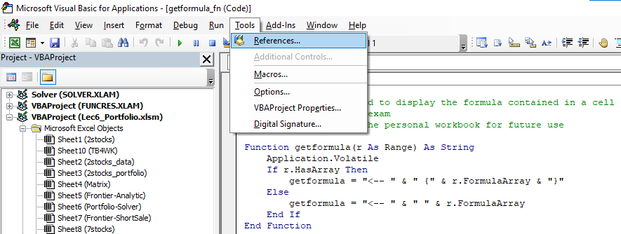
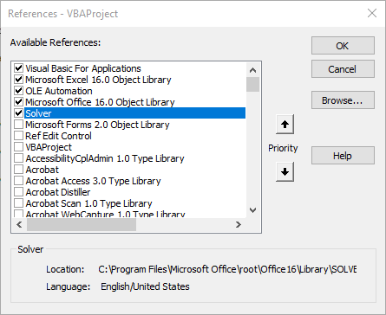
Construct Efficient Frontier with Short-Sales Constraints (Excel Solver)
 |  |  |  |  |  | VBA result:
Step 1: Input list of three risky securites and one risk-free asset |  |  |  |  |  | Target mean | Portfolio SD | Portfolio mean | Fund 1 | Fund 2 | Fund 3
Asset Data |  | Exp. Ret | Std Dev |  |  | 0.01 | 0.0430 | 0.0100 | 1.0000 | 0.0000 | 0.0000
 | Fund 1 | 1.0% | 4.3% |  | <= Money market fund | 0.015 | 0.0412 | 0.0150 | 0.9375 | 0.0000 | 0.0625
 | Fund 2 | 2.1% | 10.1% |  | <= Corporate bond fund | 0.02 | 0.0438 | 0.0200 | 0.8750 | 0.0000 | 0.1250
 | Fund 3 | 9.0% | 20.8% |  | <= Equity fund | 0.025 | 0.0500 | 0.0250 | 0.8125 | 0.0000 | 0.1875
 | Risk-free asset | 0.8% |  |  |  | 0.03 | 0.0587 | 0.0300 | 0.7500 | 0.0000 | 0.2500
 |  |  |  |  |  | 0.035 | 0.0689 | 0.0350 | 0.6875 | 0.0000 | 0.3125
Variance-Covariance Matrix |  | Fund 1 | Fund 2 | Fund 3 |  | 0.04 | 0.0802 | 0.0400 | 0.6250 | 0.0000 | 0.3750
 | Fund 1 | 0.00185 | 0.00274 | -0.00080 |  | 0.045 | 0.0920 | 0.0450 | 0.5625 | 0.0000 | 0.4375
 | Fund 2 | 0.00274 | 0.01020 | 0.00483 |  | 0.05 | 0.1043 | 0.0500 | 0.5000 | 0.0000 | 0.5000
 | Fund 3 | -0.00080 | 0.00483 | 0.04326 |  | 0.055 | 0.1168 | 0.0550 | 0.4375 | 0.0000 | 0.5625
 |  |  |  |  |  | 0.06 | 0.1295 | 0.0600 | 0.3750 | 0.0000 | 0.6250
 |  |  |  |  |  | 0.065 | 0.1424 | 0.0650 | 0.3125 | 0.0000 | 0.6875
Step 2: Setup loop for target expected return value |  |  |  |  |  | 0.07 | 0.1554 | 0.0700 | 0.2494 | 0.0007 | 0.7499
Initial target expected return |  | 1% | <- iterate target mean |  |  | 0.075 | 0.1685 | 0.0750 | 0.1723 | 0.0177 | 0.8101
Counter step value |  | 0.5% | <- increase target mean by this amount every step |  |  | 0.08 | 0.1816 | 0.0800 | 0.0951 | 0.0347 | 0.8702
Counter step number |  | 17 |  |  |  | 0.085 | 0.1947 | 0.0850 | 0.0179 | 0.0517 | 0.9304
Current target expected return |  | 9% |  |  |  | 0.09 | 0.2080 | 0.0900 | 0.0000 | 0.0000 | 1.0000

Envelope frontier with Short-Sales Constraint
Frontier Portfolio weights
Portfolio A |  | w_A
 | Fund 1 | 0%
 | Fund 2 | 0%
 | Fund 3 | 100%
 | sum of weights | 1 | <-- =SUM(C25:C27)
 | Exp. Ret | 0.0900 | <-- =MMULT(TRANSPOSE(C25:C27),$C$5:$C$7)
 | Variance | 0.0433 | <-- =MMULT(TRANSPOSE(C25:C27),MMULT($C$11:$E$13,C25:C27))

If you cannot run "SolverOK" in sub procedure solve(), go to Tools->References, then select Solver

